1. Title Page
Grocery Basket Analysis

Project Name: Instacart Grocery Basket Analysis
Date: 15th May, 2022
Analyst Name: Khandaker Baqi

Contents:
Population Flow
Consistency checks
Wrangling steps
Column derivations
Visualizations
Recommendations

Objective: Instacart is an online grocery store that operates through an app. Despite having very good sales, they want to uncover more information about their sales patterns. The objective of this project is to perform an initial data and exploratory analysis of some of their data in order to derive insights and suggest strategies for better segmentation based on the provided criteria.

Context: The Instacart stakeholders are most interested in the variety of customers in their database along with their purchasing behaviors. They assume they can't target everyone using the same methods, and they are considering a targeted marketing strategy. They want to target different customers with applicable marketing campaigns to see whether they have an effect on the sale of their products. This analysis will inform what this strategy might look like to ensure Instacart targets the right customer profiles with the appropriate products.

Data: 1. “The Instacart Online Grocery Shopping Dataset 2017”, Accessed from https://www.instacart.com/datasets/grocery-shopping-2017 on <date> 2. Customers Data Set: https://s3.amazonaws.com/coach-courses-us/public/courses/data-immersion/A4/A4_Data_Assets/customers.zip 3. Data Dictionary: https://gist.github.com/jeremystan/c3b39d947d9b88b3ccff3147dbcf6c6b Note: The customer data as well as the “prices” column in the products data set, were both fabricated for the purpose of this course.

2. Population Flow
Title page

Population flow

Exclusion flag
Condition: max_order < 5
Obervations to be removed: 1440295
Final total count of order_products_all: 30964564

Orders_products_combined
Orders_products_merged
Orders_products_all

Total: 32404859
Total: 32434489
Total: 32404859

1.) The grey boxes in the first row of the population flow represent the original data sets as they were when you downloaded them. In the Total fields you need to add the count of the rows when you imported the data set into Jupyter.
2.) The second row of boxes (coloured) represents the data sets after you manipulated them, e.g., removed missing values and duplicates. In the Total fields you need to add the count of the rows after conducting these operations. This offers a visual oveview of how the data flows throughout the data consistency checks.
3.) The third row, where also the arrows are coloured, represents the merges you performed between the datasets. In the Total fields you need to add the count of the rows in the merged datasets, so that you end up with the final dataset (in the red box). Keep in mind the final dataset should be without exclusions (based on the exclusion flag).

3. Consistency checks
 |  |  |  | Title page
Consistency checks

Dataset | Missing values | Missing values treatment | Duplicates
orders | 206209 | Left the missing values as they were as they indicated the very first order for each customer | 0
products | 16 | Excluded | 5
orders_products_prior | 0 | No action needed | 0
customers | 11259 | Column deleted | 0

4. Wrangling steps
 |  |  |  | Title page
Wrangling steps

Columns dropped | Columns renamed | Columns' type changed | Comment/Reason
eval_set | order_dow | order_id | Reason for deleting columns: irrelevance and data privacy Reason for renaming columns: to maintain uniformity in column name format Reason for datatype change: to exclude categorical columns from statistical analysis
first_name | order_hour_of_day | user_id
last_name | _merge | product_id
 | Surnam | aisle_id
 | n_dependants | departent_id
 | fam_status
 | First_name
 | Gender
 | STATE
 | Age

5. Column derivations
 |  |  |  | Title page

Column derivations and aggregations

In this tab you should add tables below that the frequences of flags/label variables that you produced after deriving them. NB: don't do this for continuous variables, only for flags.
Dataset | New column | Column/s it was derived from | Conditions
orders_products_merged.pkl | price_range | prices | prices <=5 = Low-range product (prices > 5 & prices <=15) = Mid-range product prices >15 = High-range product
orders_products_merged.pkl | busiest_day | order_day_of_week | Day with highest frequency = Busiest day Day with lowest frequency = Least busy Other days = Regular busy
orders_products_merged.pkl | busiest_days | order_day_of_week | Top 2 days with highest frequency = Busiest days Bottom 2 days with lowest frequency = Least busys Other days = Regular busy days
orders_products_merged.pkl | busiest_period_of_the_day | order_time_24h_format | Top 8 hours with highest frequency = Most orders Bottom 8 hours with lowest frequency = Fewest orders Other 8 hours = Average orders
orders_products_merged_flagged.pkl | loyalty_flag | max_orders | max_orders > 40 = Loyal customer 10 < max_orders <= 40 = Regular customer max_orders <=10 = New customer
orders_products_merged_flagged.pkl | price_flag | avg_price | avg_price <10 = Low spender avg_price>=10 = High spender
orders_products_merged_flagged.pkl | frequency_flag | median_of_days_since_prior_order | median_of_days_since_prior_order >20 = Non-frequent customer 10 < median_of_days_since_prior_order <= 20 = Regular customer median_of_days_since_prior_order <=10 = Frequent customer median_of_days_since_prior_order = null = New customer
ords_prods_cust_merged_v2 | region | state | list of states = region name
 | customer_activity_level | max_orders | max_orders < 5 = Low activity customer max_orders >= 5 = Normal activity customer
 | name_of_goods | department_id | set name_of_goods based on department_id
 | age_group | age | Set gage_group flag for different ranges of age
 | babies_flag | department_id | Set babies_flag based on purchase of products in department_id of 18
 | dependent_flag | number_of_dependents | if number_of_dependents = 0 then Has dependent otherwise, Does not have dependent
 | income_range | income | Set flags for different ranges of income
 | combined_customer_profile | age_group, babies_flag, dependent_flag | Set flags based on combination of age_group, babies_flag and dependent_flag profiles
 | preferred_period | busiest_period_of_the_day | Set flags based in the most common value in the busiest_period_of_the_day column for each user_id
 | order day | order_day_of_week | set flags based on the day of week corresponding to the values in the order_day_of_week column
 | preferred_day | order_day | Set flags based in the most common value in the order_day column for each user_id

price_range |  | babies_flag
Mid-range product 21860860 |  | Does not buy babies products 21154311
Low-range product 10126321 |  | Buys babies products 9810253
High-range product 417678 |  | Name: babies_flag, dtype: int64
Name: price_range, dtype: int64

loyalty_flag |  | price_flag
Regular customer 15876776 |  | Low spender 31770614
Loyal customer 10284093 |  | High spender 634245
New customer 6243990 |  | Name: price_flag, dtype: int64
Name: loyalty_flag, dtype: int64
 |  | age_group
frequency_flag |  | Senior adult 10574504
Frequent customer 21559853 |  | Middle age adult 9724950
Regular customer 7208564 |  | Adult 9690576
Non-frequent customer 3636437 |  | Teenager 974534
New customer 5 |  | Name: age_group, dtype: int64
Name: frequency_flag, dtype: int64

region |  | income_range
South 10791885 |  | 75000-100000 6850482
West 8292913 |  | 50000-75000 6544126
Midwest 7597325 |  | 100000-125000 5929358
Northeast 5722736 |  | 125000-150000 4382769
Name: region, dtype: int64 |  | 150000-175000 3592939
 |  | 25000-50000 3362554
customer_activity_level |  | 175000+ 302336
Normal activity customer 30964564
Low activity customer 1440295
Name: customer_activity_level, dtype: int64

name_of_goods |  | preferred_period
Produce 9079273 |  | Most orders 25191902
Dairy & eggs 5177182 |  | Average orders 5534669
Snacks 2766406 |  | Fewest orders 237993
Beverages 2571901 |  | Name: preferred_period, dtype: int64
Frozen 2121731
Pantry 1782705 |  | order_day
Bakery 1120828 |  | Saturday 5908610
Canned goods 1012074 |  | Sunday 5411686
Deli 1003834 |  | Friday 4291304
Dry goods & pasta 822136 |  | Thursday 4033729
Household 699857 |  | Monday 4024706
Meat & seafood 674781 |  | Tuesday 3669535
Breakfast 670850 |  | Wednesday 3624994
Personal care 424306 |  | Name: order_day, dtype: int64
Babies 410392
International 255991 |  | preferred_day
Alchohol 144627 |  | Saturday 8130187
Pets 93060 |  | Sunday 6581902
Missing 64768 |  | Friday 4494898
Other 34411 |  | Thursday 3475206
Bulk 33451 |  | Monday 3167943
Name: name_of_goods, dtype: int64 |  | Tuesday 2594541
 |  | Wednesday 2519887
combined_customer_profile |  | Name: preferred_day, dtype: int64
Senior adult with dependent 5412936
Middle age adult with dependent 4972727 |  | busiest_day
Adult with dependent 4971099 |  | Regularly busy 22416875
Senior adult with no dependent 2645271 |  | Busiest day 6204182
Senior adult with baby 2516297 |  | Least busy 3783802
Adult with no dependent 2435739 |  | Name: busiest_day, dtype: int64
Middle age adult with no dependent 2433835
Middle age adult parent with baby 2318388 |  | busiest_days
Adult parent with baby 2283738 |  | Regularly busy days 12916111
Teenager with dependent 513959 |  | Busiest days 11864412
Teenager parent with baby 235739 |  | Least busy days 7624336
Teenager with no dependent 224836 |  | Name: busiest_days, dtype: int64
Name: combined_customer_profile, dtype: int64

busiest_period_of_the_day
Most orders 21118071
Average orders 9997651
Fewest orders 1289137
Name: busiest_period_of_the_day, dtype: int64

6. Visualizations
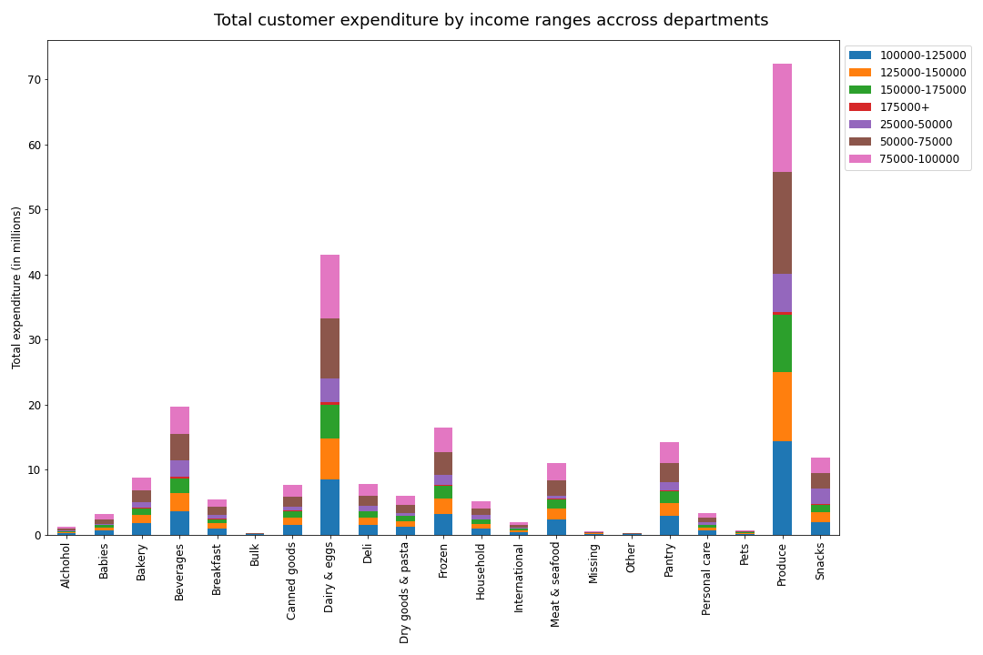
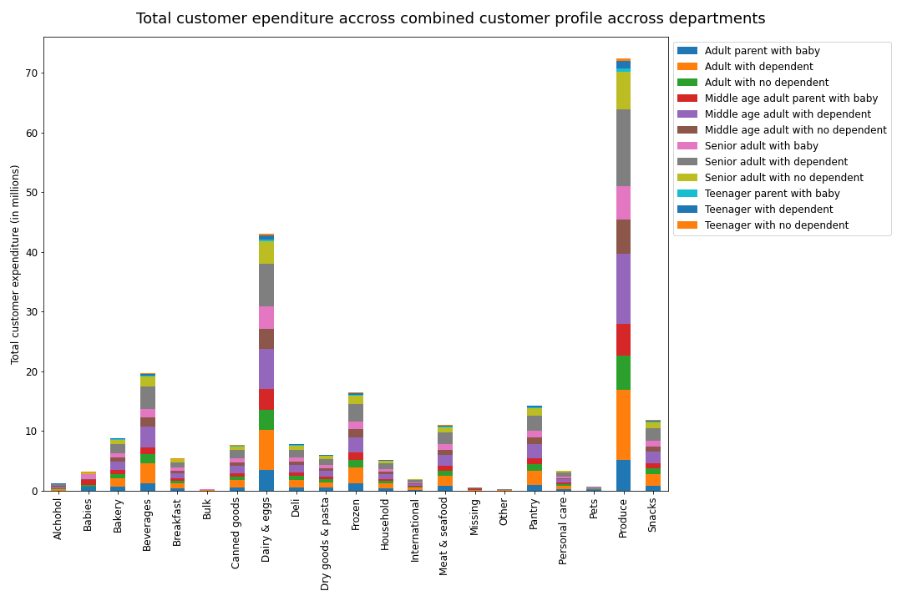
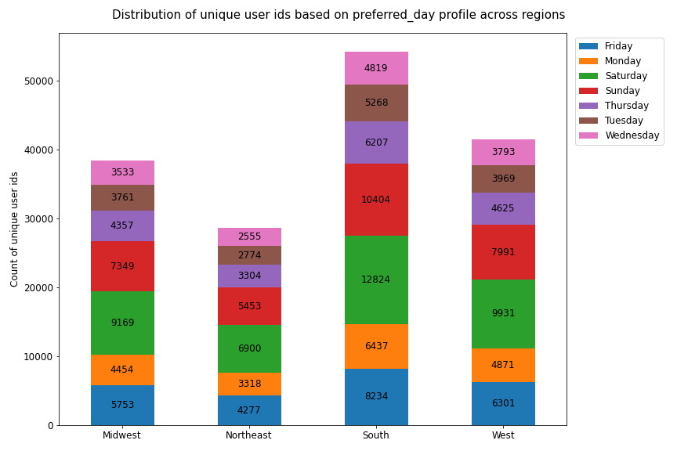
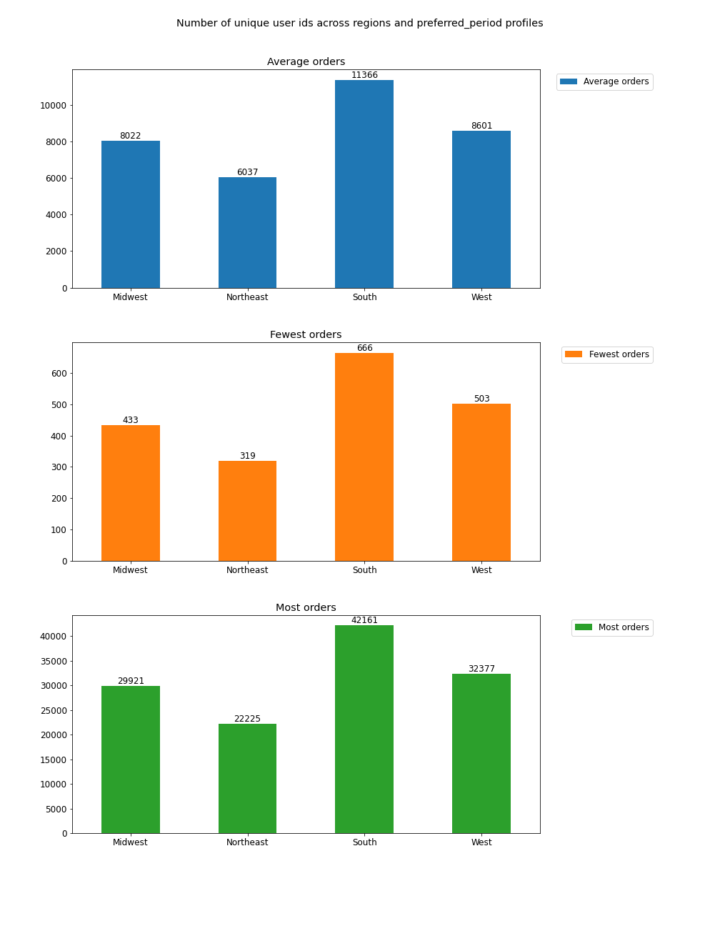
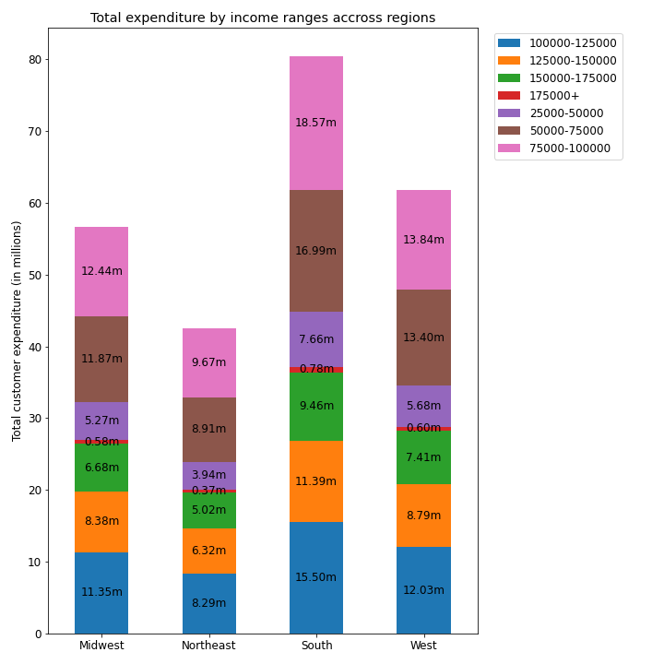
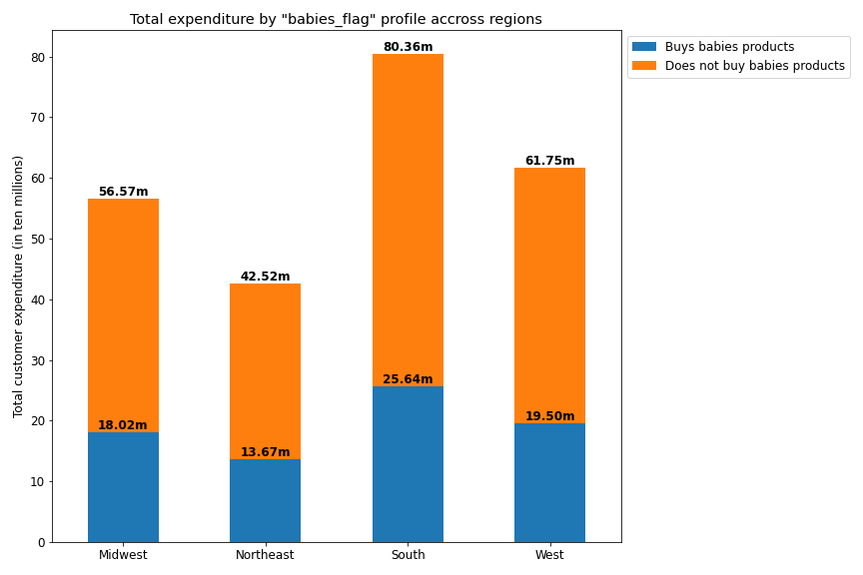
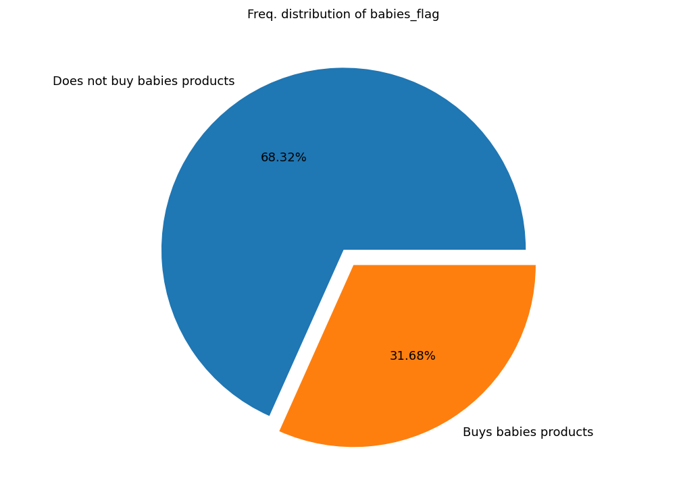
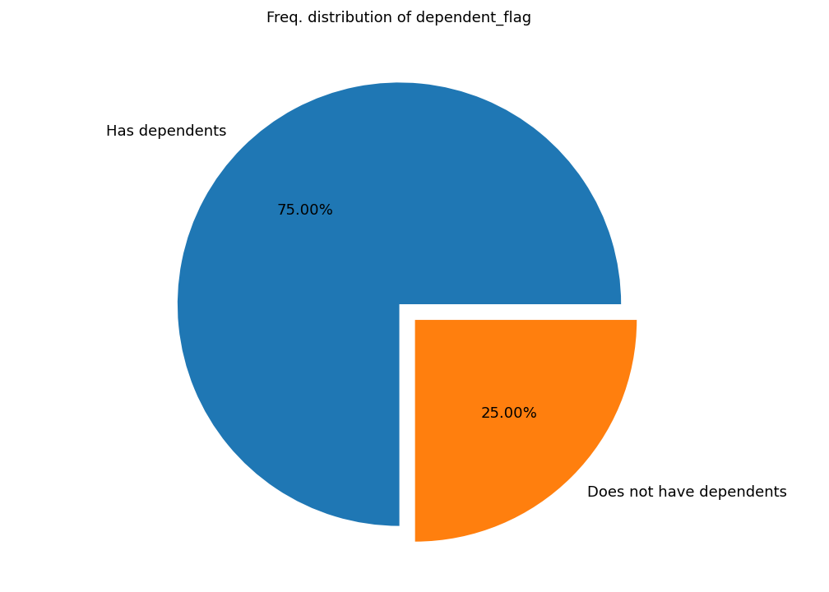
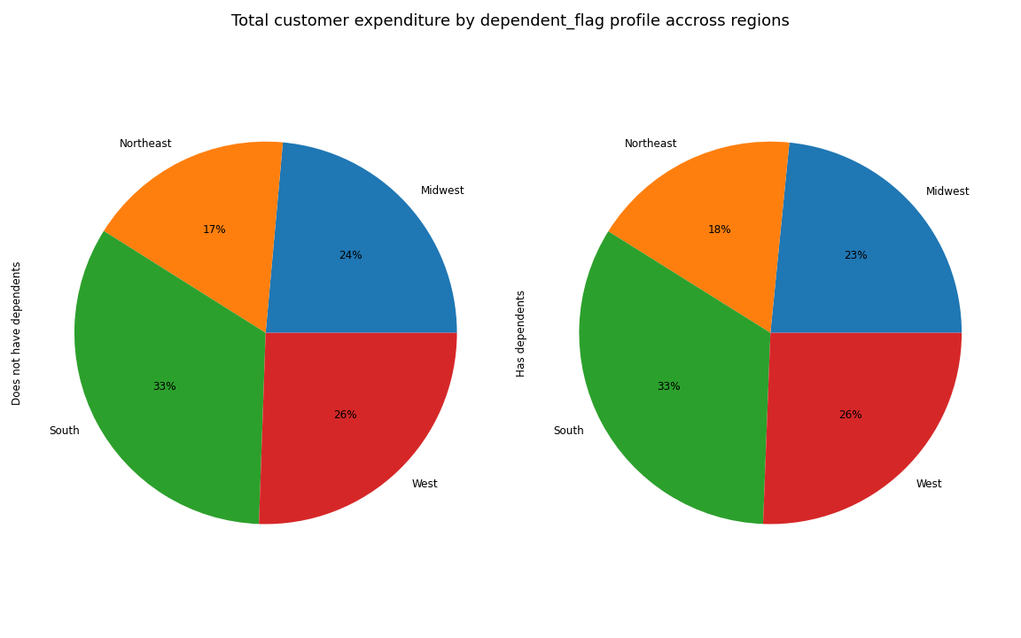
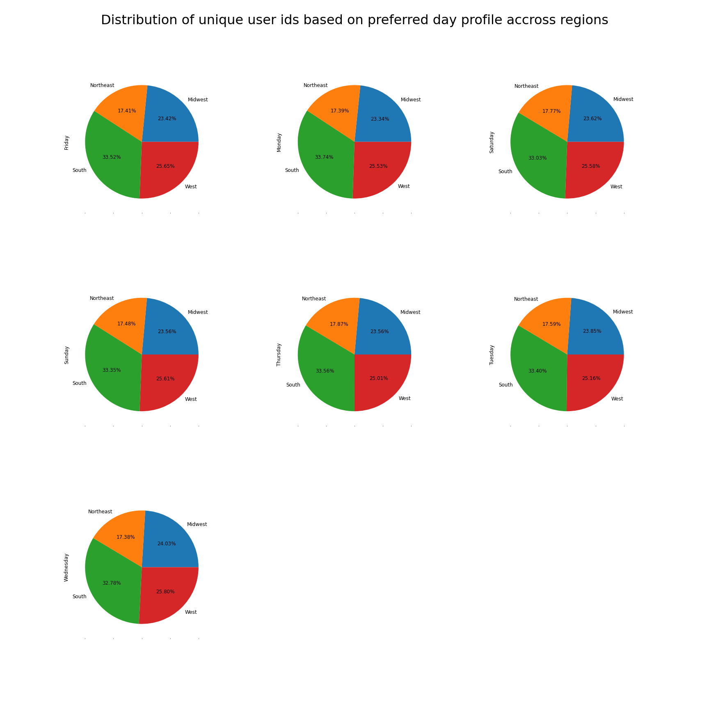
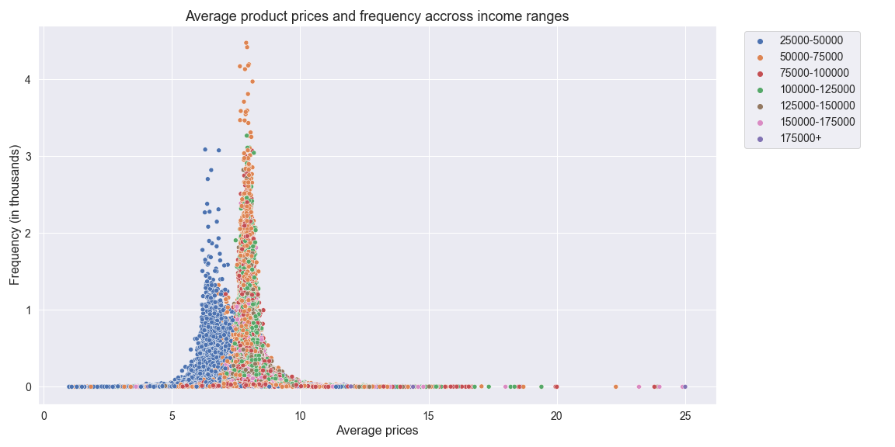
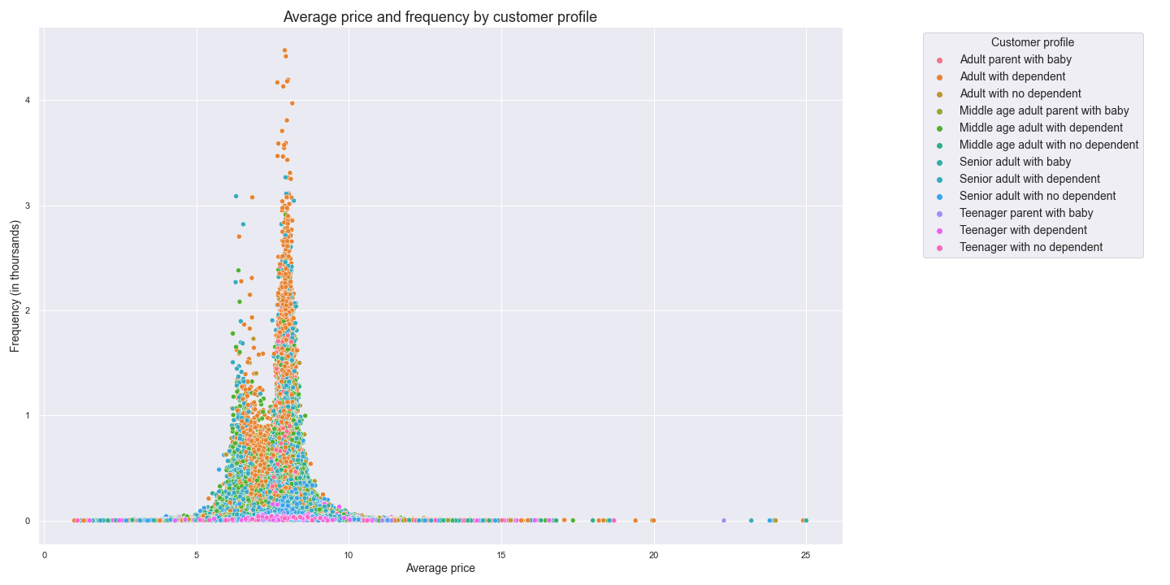
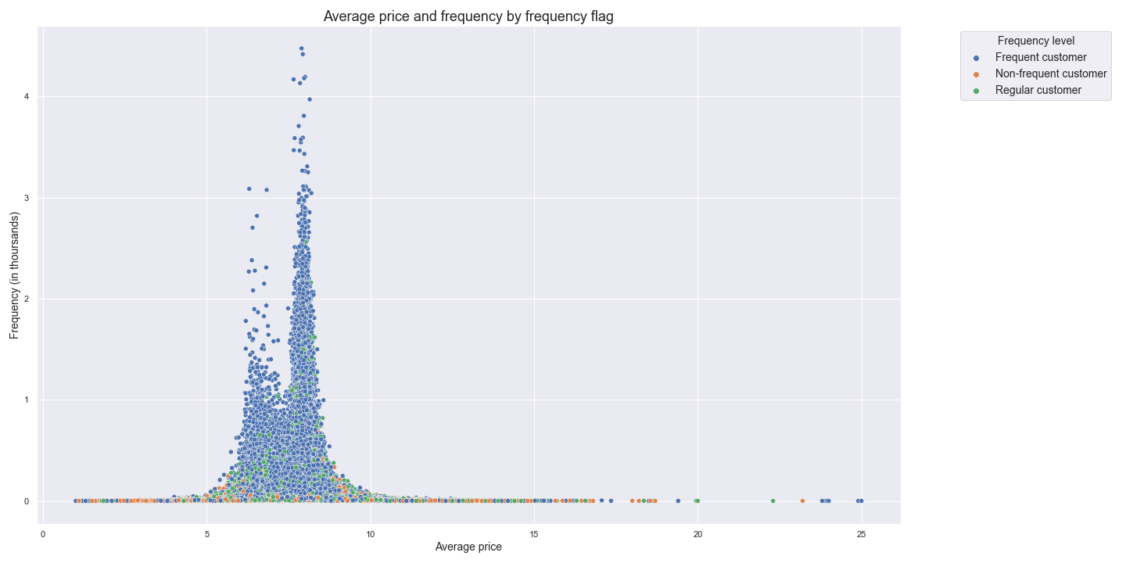
 | Title page

Visualisations

In this tab you should include all the visualtions from Exercises 4.9 and 4.10, alongside the questions from the project brief that they answer. Include any commentary on the relationship between different variables.

Busiest days of the week and hours of the day:
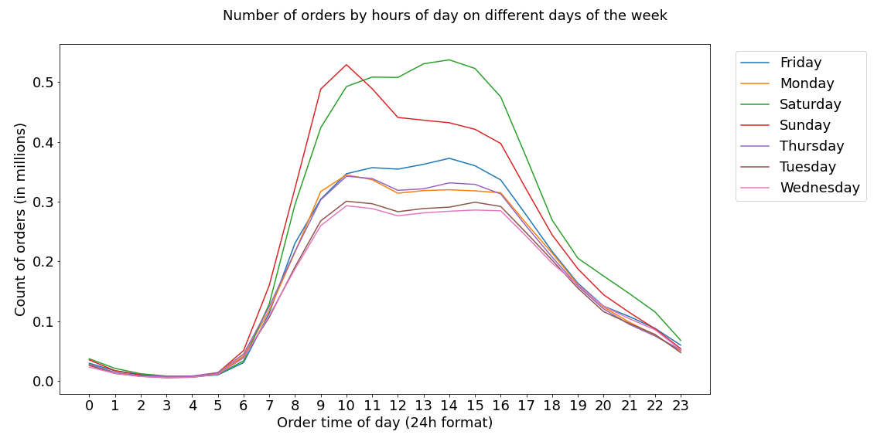

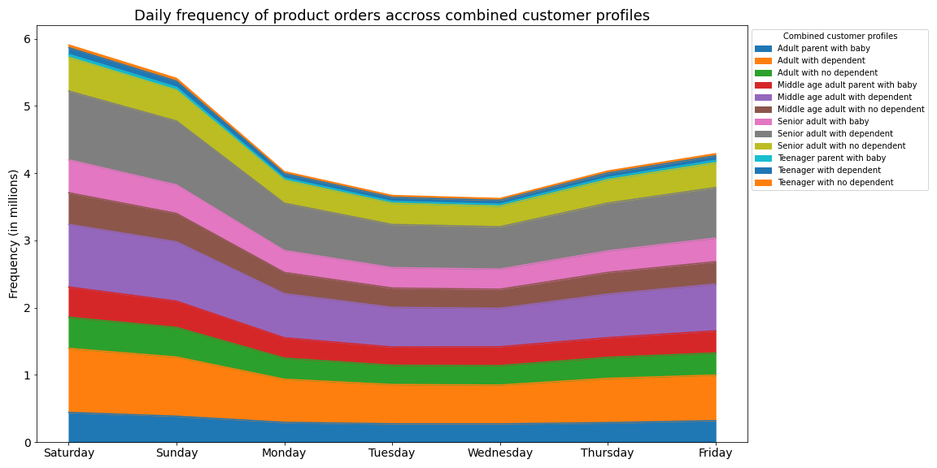

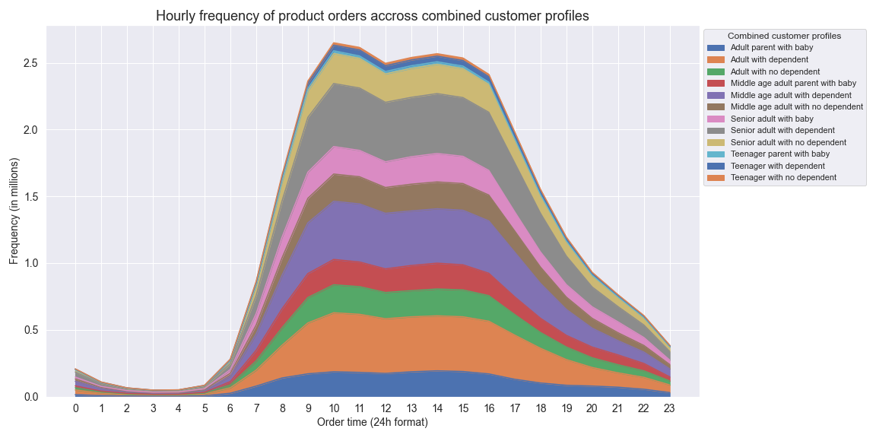

Whether there are particular times of the day when people spend the most money:

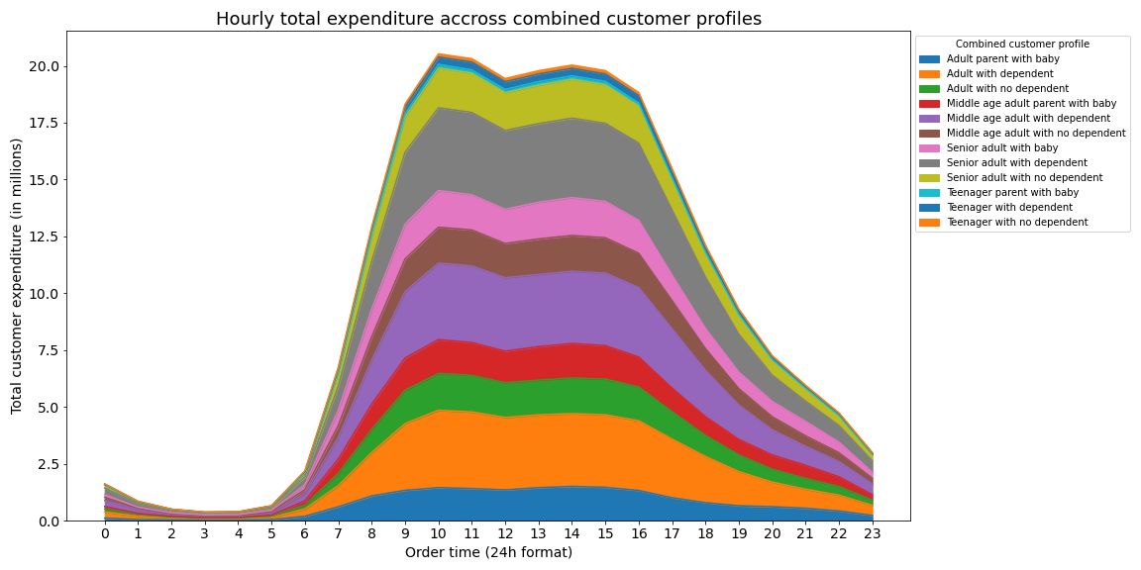

Customer behavior across price ranges:

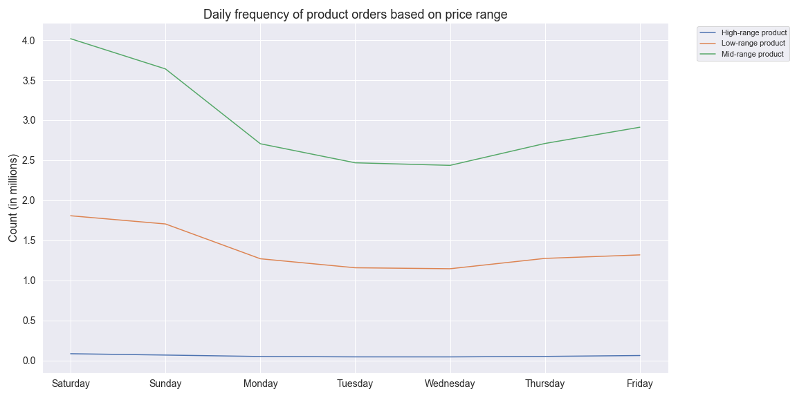

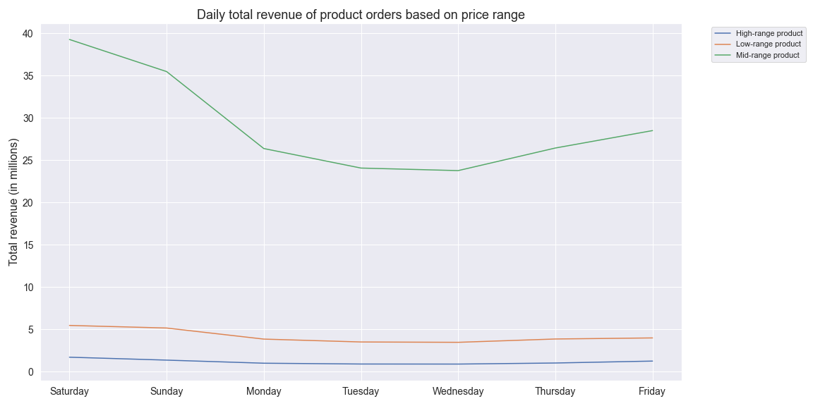

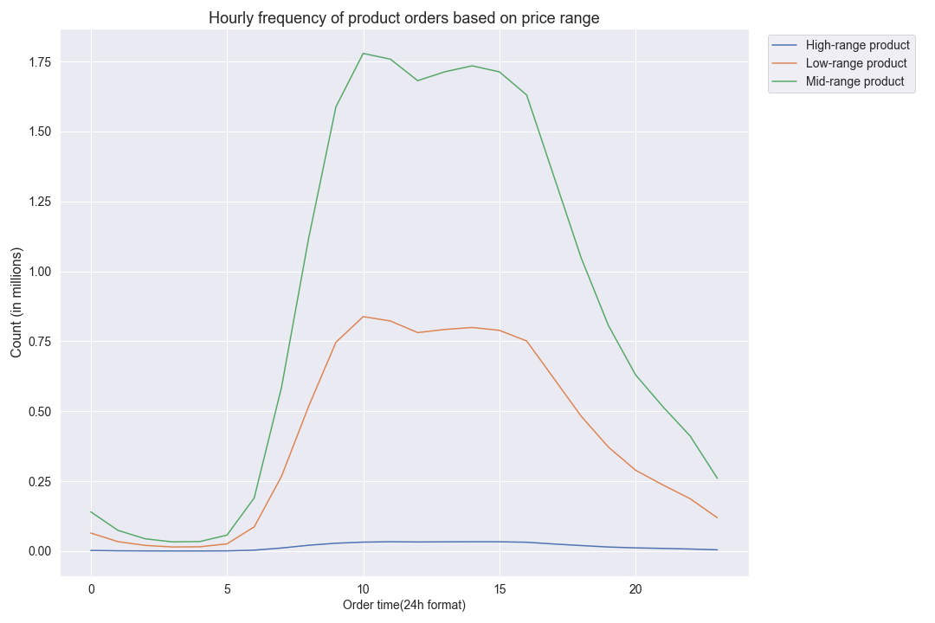

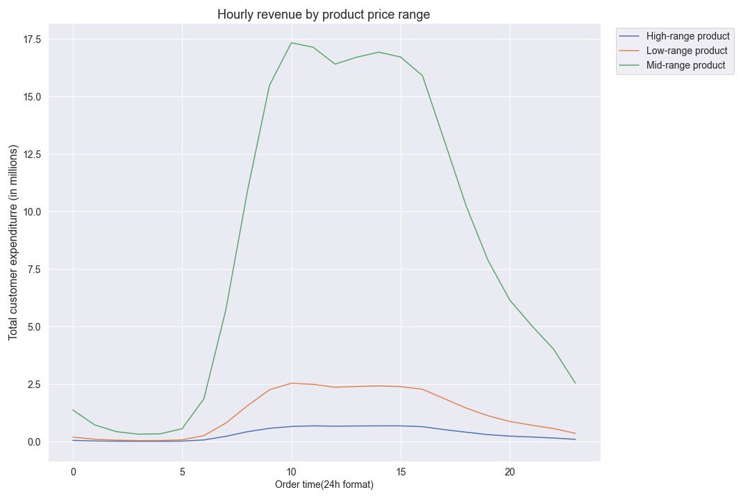

Are there certain types of products that are more popular than others?

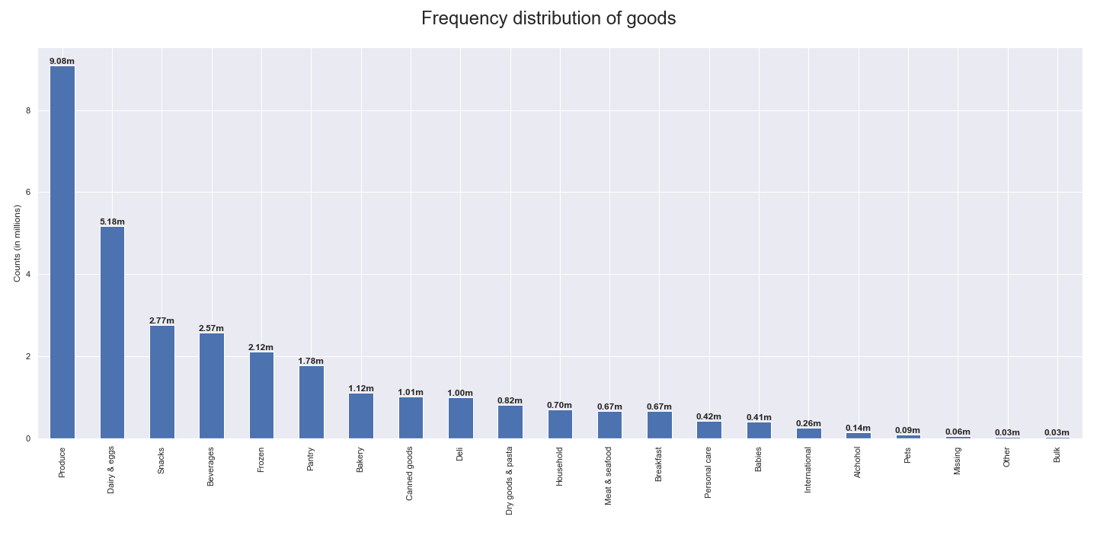

Customer behavior across customer profiles:

Distribution of users based on brand loyalty:

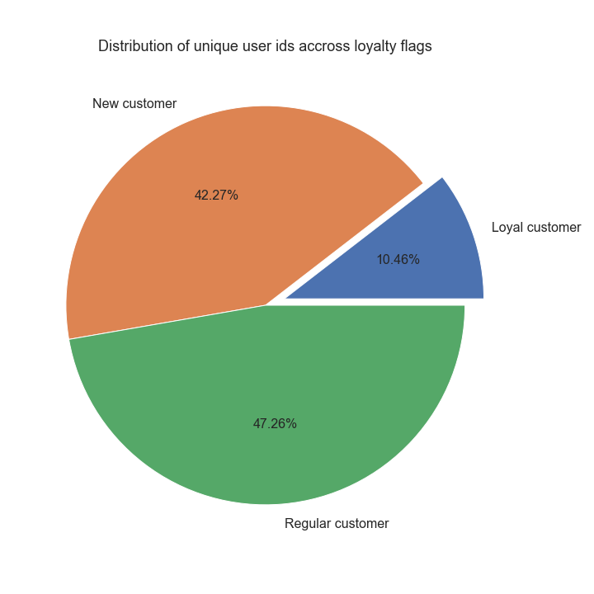

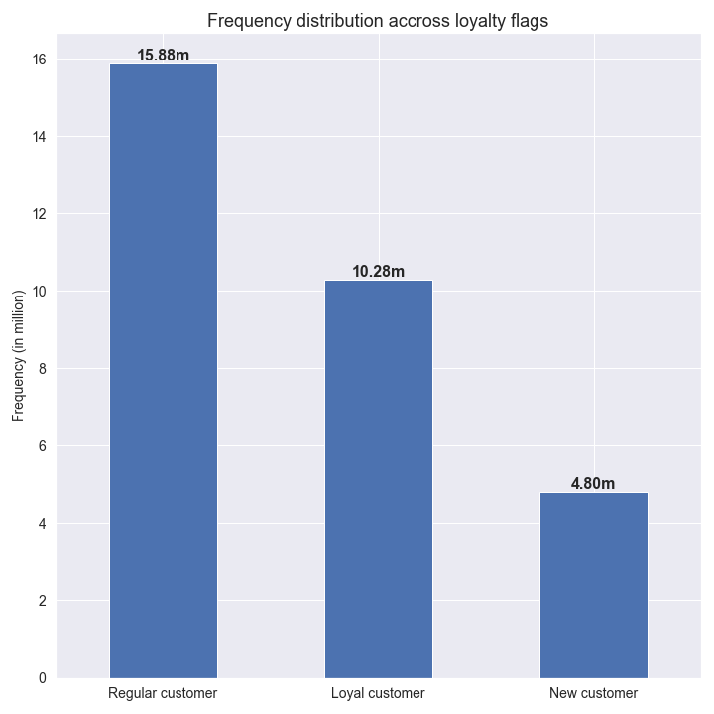

Differences in ordering habits based on a customer’s loyalty status:
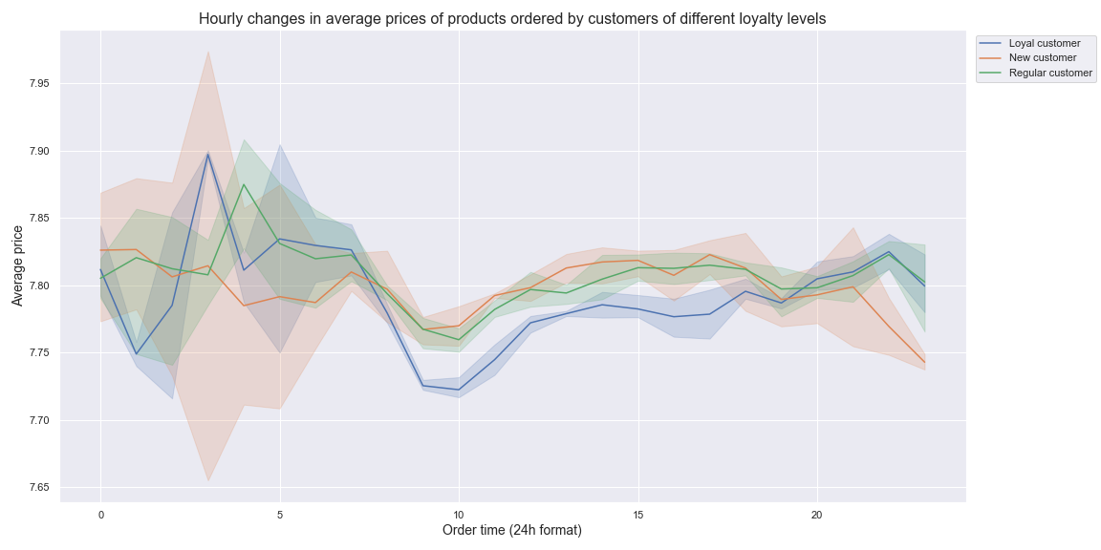

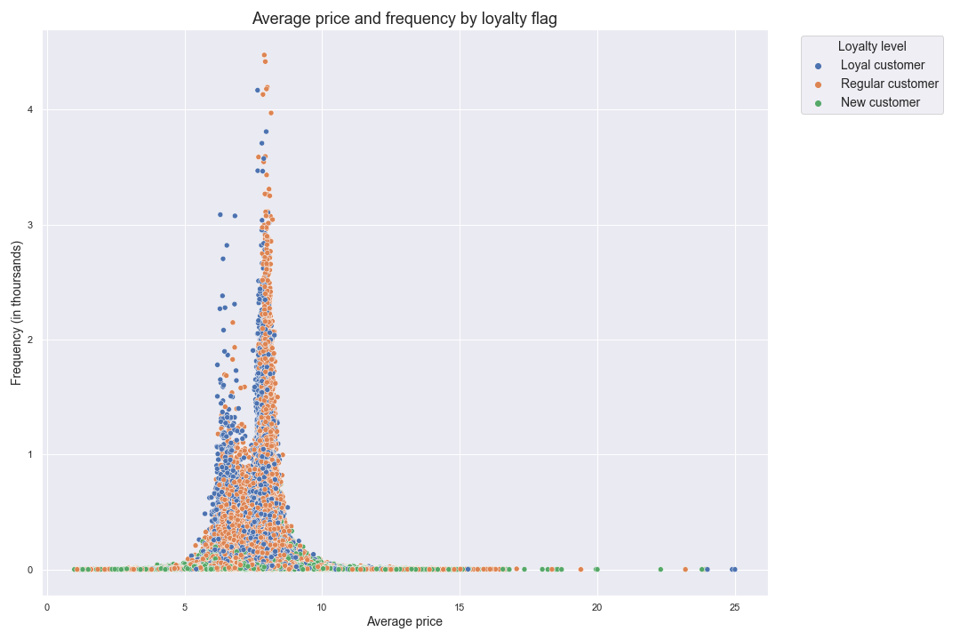

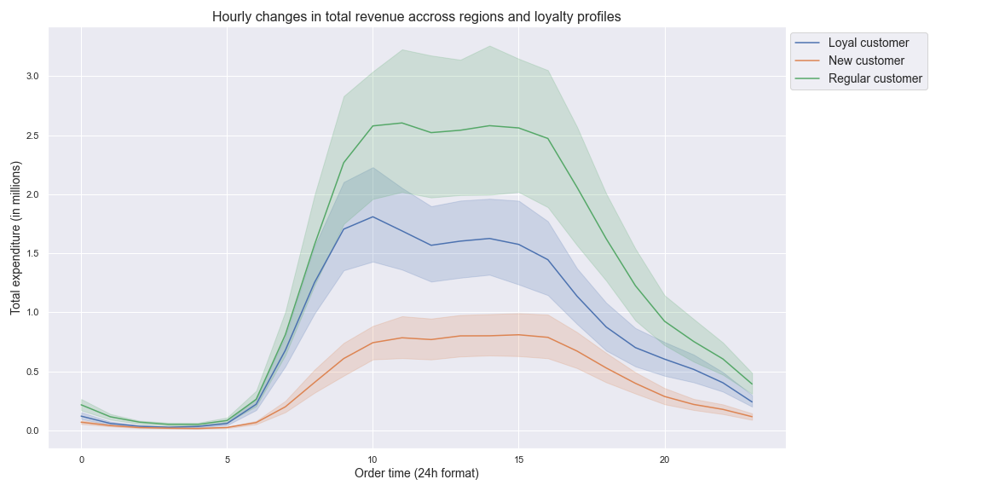

Differences in ordering habits based on a customer’s region:

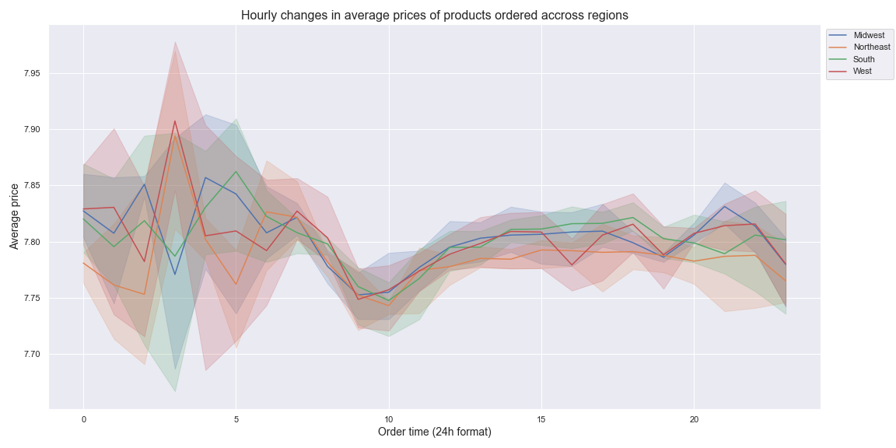

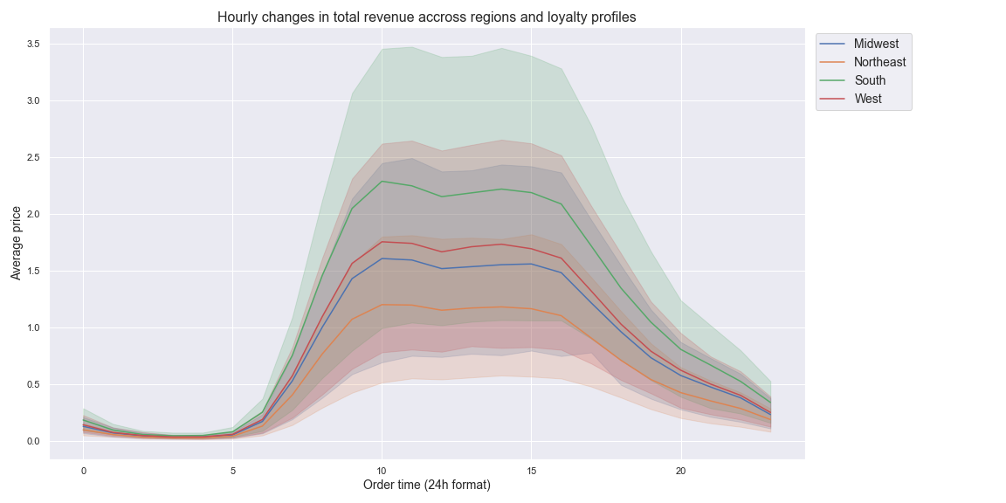

Connection between age and family status in terms of ordering habits:
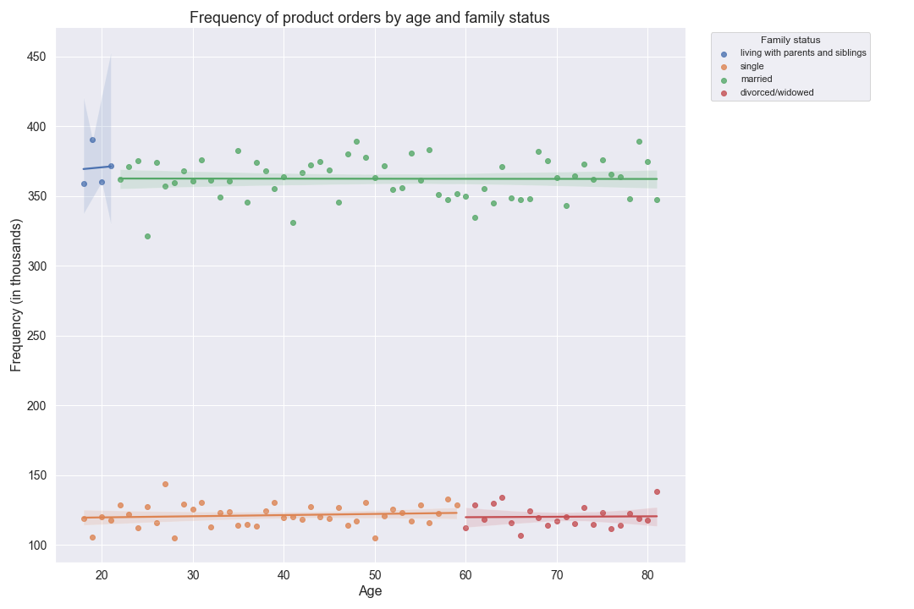

What different classifications does the demographic information suggest?

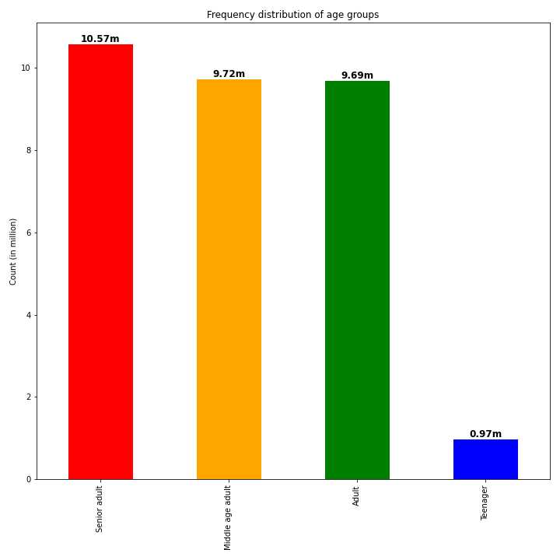

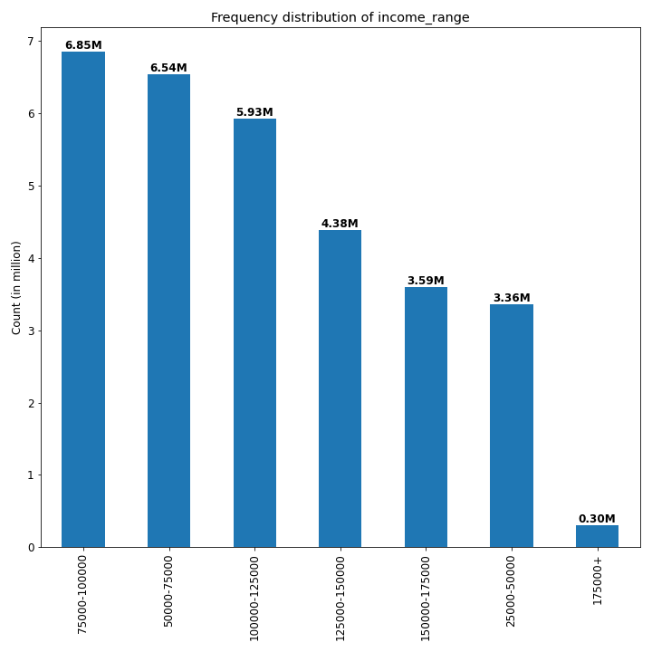

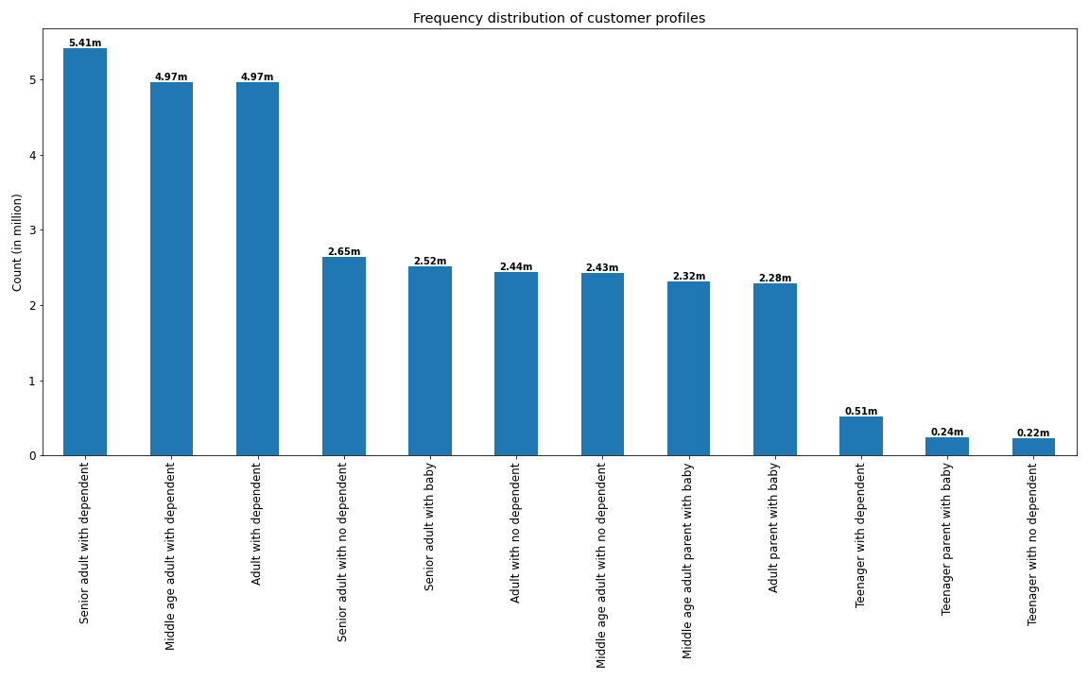

Differences in ordering habits of different customer profiles:

7. Recommendations
 |  | Title page

Recommendations

In this tab you should include any recommendations you would made to Instcart in terms of their marketing strategy based on the questions posed in the brief. Every key question has been covered in the Tasks of the Exercises - here you need to add an item - a visualisation or table/crosstable that is showing the answer in the data, acompanied by a comment from you. Please, list the questions below and add the answer underneath.

Question=1 | Answer
What the busiest days of the week and hours of the day are? | Busiest day: Saturday, Sunday and Friday Busiest hour: 10 am

Recommendation: Advertisement efforts should be maximum just before and during the busiest hours of the day and the busiest day of the weeks.
Question-2 | Answer
Are there particular times of the day when people spend the most money? | Hours with the highest customer expenditure: 8 am - 7:00 pm

Recommendation: Advertisement efforts should be maximum just before and during the busiest hours of the day.

Question-3 | Answer
Price range groupings | 3 price groups created: High-range products, Low-range products and Mid-range products

Recommendation: Advertisements and promotions for the Mid-range poducts and Low-range products should be varied based on the busiest hours of the day and busiest days of the week. High-range products should maintain a steady flow of promotional activity through out the day and week.

Question-4 | Answer
Are there certain types of products that are more popular than others? | Produce, Daity & eggs, Snacks, Beverages and Frozen are the top 5 popupar categories.

Recommendation: The top 5 categories (Produce, Daity & eggs, Snacks, Beverages and Frozen) should be prioritized in advertisement and promotional activities.

Question-5a | Answer
What’s the distribution among users in regards to their brand loyalty? | 10.46% Loyal customers, 47.26% Regular customers and 42.27% new customers

Key Question 3
Key Question 4
Key Question 5
Key Question 6
Key Question 7

Recommendations: The Regular customers should be targetted to convert them in to loyal customers by promoting the varity of products to them to encourage them to place more orders of different items. Loyal customers should be rewarded with special promotions (loyalty bonus) to retain them. New customers should be atracted with competitive pricing activities.

Question-5b | Answer
Are there differences in ordering habits based on a customer’s loyalty status? | Yes

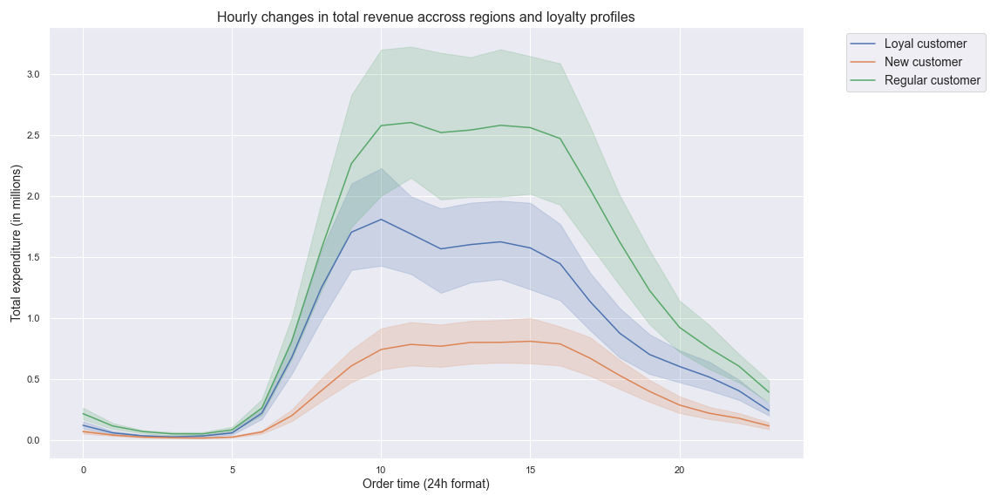

Recommendation: The promotional activities for Regular customers have to adhere more to the hourly average of product prices.

Question-5c | Answer
Are there differences in ordering habits based on a customer’s region? | Yes

Recommendation: Same promotion and advertisement timing should be adopted for all regions.

Question-5d | Answer
Is there a connection between age and family status in terms of ordering habits? | Yes

Recommendations: people sho are married and people who are living with parents and siblings should be prioritized as most of the orders are placed by them.

Question-5e | Answer
What different classifications does the demographic information suggest? | See the visualizations below

Question-5e | Answer
What different classifications does the demographic information suggest? | See the visualizations below

Recommendations: 1) Prioritise customers with income range of 50000-175000 as most revenue comes from them 2) Promote the variety of products to the customers with babies and dependents as they generate comparatively lesser revenue although the platform is more suitable to their day to day needs. 3) Schedule advertises for customers based on their preferred day and time of placing orders.

